Title
3. AGRICULTURE

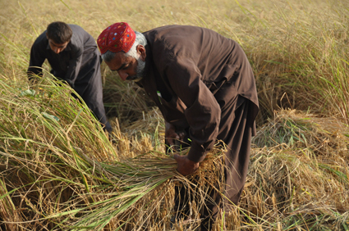

/ppoaiddqqqq~
/ppoallcqqqq~
/ppop70~qq
/ppag

